Dante Inc Investment Overview
|Investment Analysis Solution: Electric Vehicle (EV) Battery Plant Expansion Decision | Overview

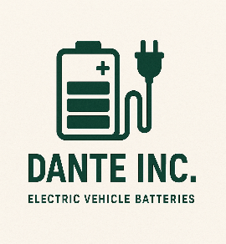
* Net Present Value (NPV)- Present value of all future cash flows minus investment.
* Internal Rate of Return (IRR) - Discount rate at which NPV = zero.
* Profitability Index (PI)- Measures "bang for your buck" ratio
*Probability of Negative NPV - Likelihood of losing money
* Standard Deviation of NPV - Spread or riskiness of NPV.
* Value at Risk (5% percentile)Worst-case loss at 95% confidence

Investments key Indicators |  |  |  | Market Growth Rate |  | Dashboard Dictionary
Strategy | A | B |  | 12.76%
NPV | $3,665,287,646.36 | $4,047,367,322.76
IRR | 161.16% | 760%
Probability of negative NPV | 0.00% | 0.00%
Value at risk - 5% | $3,665,287,646.36 | $4,047,367,322.76
Standard Deviation NPV | 0 | 0
Profitabiity Index | 15.66 | 81.95
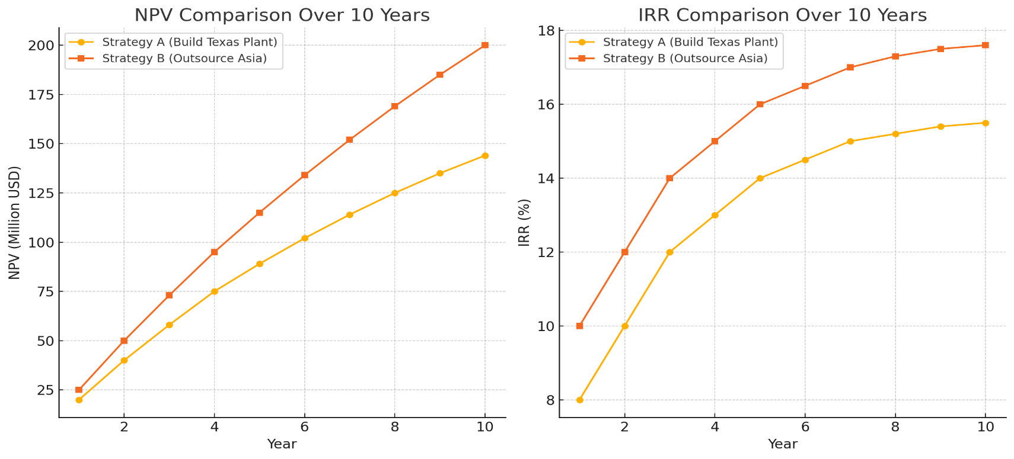
Basis Calculations as per the Investment problem
Variable | Distribution | Formula
Initial Investment A | Fixed | $250,000,000.00
Initial Investment B | Fixed | $50,000,000.00
EV Market Growth Rate (%) | Triangular (8,15,25) | 12.76%
Lithium Price per Ton ($) | Normal | $27,137.45
Cobalt Price per Ton ($) | Normal | $74,460.42
Battery Sales Price per Unit ($) | Normal | $7,533.38
Annual Fixed Operating Costs A ($) | Normal | $41,642,819.26
Annual Service Cost B ($) | Normal | $75,431,219.77
Annual Units Sold- Base units | Triangular (300k,450k,600k) | 465907
Discount Rate | Fixed | 10%
Project Lifetime | Fixed | 10

Strategy A - Manufacturing
Assuming each battery uses:
10kg lithium |  | 10
5kg cobalt |  | 5

Year | 0 | 1 | 2 | 3 | 4 | 5 | 6 | 7 | 8 | 9 | 10 | Trend
Units sold |  | 59429 | 67010 | 75557 | 85195 | 96062 | 108315 | 122131 | 137710 | 155276 | 175082
Revenue |  | $447,702,165.15 | $504,809,161.82 | $569,200,485.72 | $641,805,294.85 | $723,671,266.68 | $815,979,716.00 | $920,062,641.12 | $1,037,421,944.42 | $1,169,751,104.61 | $1,318,959,613.40
Raw materials costs: lithium |  | $16,127,548.10 | $18,184,710.00 | $20,504,274.78 | $23,119,713.44 | $26,068,766.40 | $29,393,988.11 | $33,143,361.04 | $37,370,988.15 | $42,137,873.51 | $47,512,802.62
: Cobalt |  | $22,125,590.82 | $24,947,837.70 | $28,130,078.48 | $31,718,232.44 | $35,764,076.17 | $40,325,990.62 | $45,469,803.61 | $51,269,739.65 | $57,809,491.03 | $65,183,425.46
Contribution |  | $409,449,026.23 | $461,676,614.12 | $520,566,132.47 | $586,967,348.97 | $661,838,424.11 | $746,259,737.27 | $841,449,476.46 | $948,781,216.62 | $1,069,803,740.07 | $1,206,263,385.31
Fixed Costs |  | $41,642,819.26 | $41,642,819.26 | $41,642,819.26 | $41,642,819.26 | $41,642,819.26 | $41,642,819.26 | $41,642,819.26 | $41,642,819.26 | $41,642,819.26 | $41,642,819.26
Total Costs |  | $79,895,958.18 | $84,775,366.96 | $90,277,172.51 | $96,480,765.14 | $103,475,661.83 | $111,362,797.99 | $120,255,983.91 | $130,283,547.06 | $141,590,183.80 | $154,339,047.35
Income(Net cash flow) | $(250,000,000.00) | $367,806,206.97 | $420,033,794.86 | $478,923,313.21 | $545,324,529.71 | $620,195,604.85 | $704,616,918.01 | $799,806,657.20 | $907,138,397.36 | $1,028,160,920.81 | $1,164,620,566.05

Strategy B - Outsourcing
Year | 0 | 1 | 2 | 3 | 4 | 5 | 6 | 7 | 8 | 9 | 10 | Trend
Units sold |  | 59429 | 67010 | 75557 | 85195 | 96062 | 108315 | 122131 | 137710 | 155276 | 175082
Revenue |  | $447,702,165.15 | $504,809,161.82 | $569,200,485.72 | $641,805,294.85 | $723,671,266.68 | $815,979,716.00 | $920,062,641.12 | $1,037,421,944.42 | $1,169,751,104.61 | $1,318,959,613.40
Fixed Costs |  | $75,431,219.77 | $75,431,219.77 | $75,431,219.77 | $75,431,219.77 | $75,431,219.77 | $75,431,219.77 | $75,431,219.77 | $75,431,219.77 | $75,431,219.77 | $75,431,219.77
Total Costs |  | $75,431,219.77 | $75,431,219.77 | $75,431,219.77 | $75,431,219.77 | $75,431,219.77 | $75,431,219.77 | $75,431,219.77 | $75,431,219.77 | $75,431,219.77 | $75,431,219.77
Income(Net cash flow) | $(50,000,000.00) | $372,270,945.38 | $429,377,942.06 | $493,769,265.95 | $566,374,075.08 | $648,240,046.91 | $740,548,496.23 | $844,631,421.35 | $961,990,724.65 | $1,094,319,884.85 | $1,243,528,393.64

Investment Recommendation for Dante Inc.: Expansion Strategy Decision
Note: Make use of the F9 key to recalculate and refresh the simulation results
Based on the simulation results conducted for both Strategy A (Build a new $250M plant in Texas) and Strategy B (Outsource production to a third-party manufacturer in Asia), the following conclusions have been drawn:
Quantitative Findings:
- Strategy B consistently yields a higher NPV compared to Strategy A across simulations.
- Profitability Index (PI) is also higher for Strategy B, indicating a greater return per dollar invested.
- Internal Rate of Return (IRR) is higher for Strategy B, suggesting stronger investment performance.
- Probability of Negative NPV is zero for both strategies, implying both carry low financial risk under the model assumptions.
- Value at Risk (VaR) at 5% is equal to the NPV for both strategies, showing no extreme downside risk.
- Standard Deviation of NPV is close to zero in both cases, reflecting stable and predictable financial outcomes.
Qualitative Considerations:
External Factors:
- Tariffs and Trade Barriers: Outsourcing (Strategy B) to an Asian manufacturer exposes Dante Inc. to potential future tariffs, global logistics disruptions, and geopolitical tensions. Manufacturing locally in Texas (Strategy A) avoids these risks but may be costlier upfront.
- Regulatory Risk: Domestic manufacturing offers better control over compliance with U.S. environmental and labor regulations, reducing long-term regulatory uncertainty.
- Supply Chain Stability: Global supply chains are sensitive to delays, especially for raw materials like lithium and cobalt. An in-house Texas plant may offer better supply chain resilience.
Internal Factors:
- Organizational Quality & Skills: Dante Inc. must assess whether it has the necessary operational expertise, skilled workforce, and management bandwidth to run a new production facility effectively. If these internal capabilities are lacking, outsourcing allows faster scalability with less strain on internal resources.
- Corporate Culture: Building and running a new plant demands alignment with the company’s culture and long-term strategic vision. If Dante Inc. values tight quality control and innovation, in-house production may be a better cultural fit.
- Flexibility & Scalability: Outsourcing (Strategy B) offers quicker market responsiveness, flexibility in scaling production, and lower upfront capital commitments.
Final Decision:
While Strategy B shows stronger financial attractiveness under the current simulation, the ultimate decision must weigh both quantitative results and qualitative realities. If Dante Inc. prioritizes:
- Lower upfront investment,
- Speed to market,
- Flexibility, and
- Less operational complexity,
then Strategy B — outsourcing is the recommended choice.
However, if the company seeks:
- Greater control over production,
- Long-term strategic positioning within the U.S.,
- Mitigation of tariff and supply chain risks, and
- A commitment to fostering local organizational capability and innovation,
then Strategy A — building the Texas plant could be more aligned with its strategic goals despite the lower NPV.
Recommendation:
- Given the current global business environment, if Dante Inc. has limited operational readiness and seeks to manage risk through flexibility and lower upfront costs, Strategy B (Outsourcing) is financially and strategically preferable.
However, if the company is focused on long-term growth, operational independence, and reducing geopolitical exposure, it should consider Strategy A as a more sustainable investment despite the higher initial cost.

